Bug Report
ID | B_001 | ID | B_002 | ID | B_003
Test Case ID | TC_002 | Test Case ID | TC_006 | Test Case ID | TC_009
Title | Trainee should be Informed If Cart is empty and be navigated To Find bugs page Again | Title | The Trainee can control in the Quantity of added products before checkout | Title | Traniee must informed by Grand Total of the cart
Description | Traniee was Informed With massege include ' There are no items in your cart. ' with ' Return To Store ' button And navigate The Traniee To Find bugs page But There Is A Big Space In Button content | Description | In the Quantity column, the trainee can adjust the quantity of the added product using the '+' and '-' buttons, but the maximum updated quantity is '2'. | Description | The Grand Total always add extra 100$ to the right Total
Steps | 1- Go To https://academybugs.com/find-bugs/ 2- Add Products To Cart 3- Navigate To View Cart Button And Click on it 4- Go To Shopping Cart 5 - delete all added products | Steps | 1- Go To https://academybugs.com/find-bugs/ 2- Add Products To Cart 3- Navigate To View Cart Button And Click on it 4- Go To Shopping Cart 5- navigate to Quantity | Steps | 1- Go To https://academybugs.com/find-bugs/ 2- Add Products To Cart 3- Navigate To View Cart Button And Click on it 4- Go To Shopping Cart 5- navigate to Grand Total
Expected Results | Traniee Will Informed With massege with button navigate The Traniee To Find bugs page | Expected Results | In the Quantity column, the Trainee can control the Quantity of the added product with '+' and '-' and updated by update button | Expected Results | The Grand Total will contain the Cart Subtotal of the added products Plus Shipping fees
Actual Result | Traniee was Informed With massege include ' There are no items in your cart. ' with ' Return To Store ' button And navigate The Traniee To Find bugs page But There Is A Big Space In Button content | Actual Result | In the Quantity column, the trainee can adjust the quantity of the added product using the '+' and '-' buttons, but the maximum updated quantity is '2'. | Actual Result | The Grand Total always add extra 100$ to the right Total
Environment | Microsoft Edge V.97 | Environment | Microsoft Edge V.97 | Environment | Microsoft Edge V.97
Attachments | 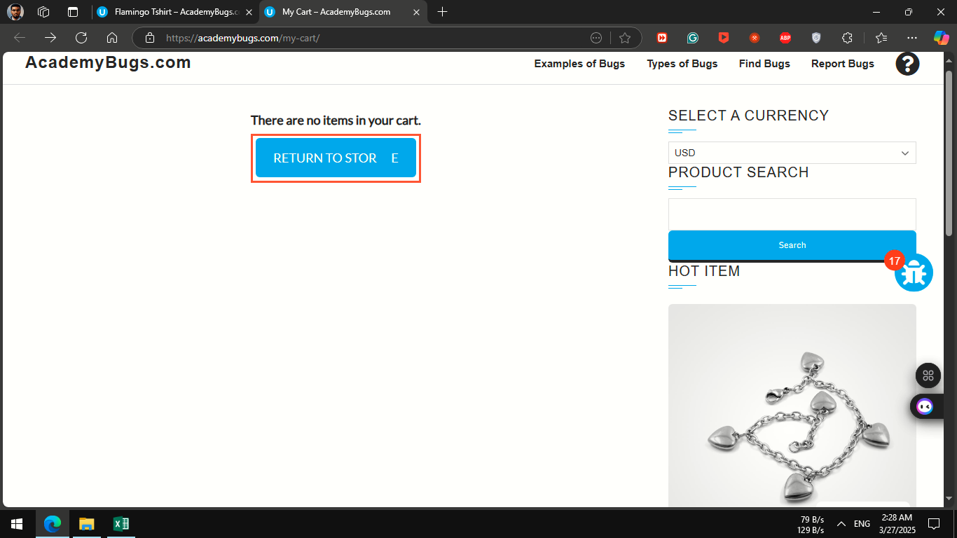 | Attachments | 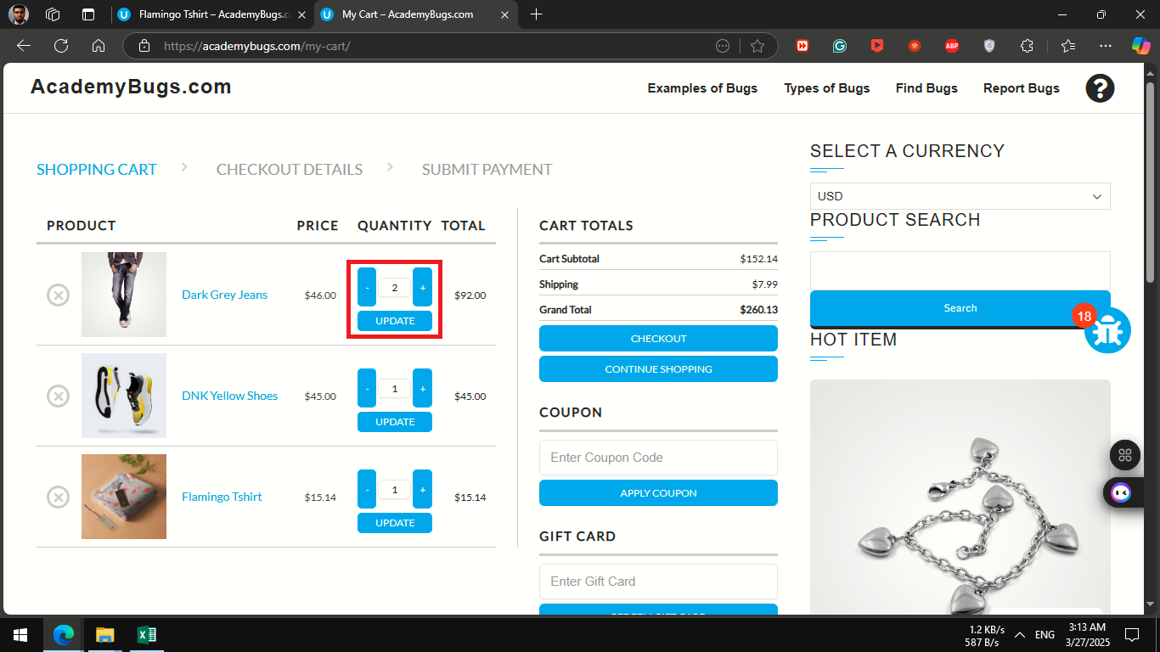 | Attachments | 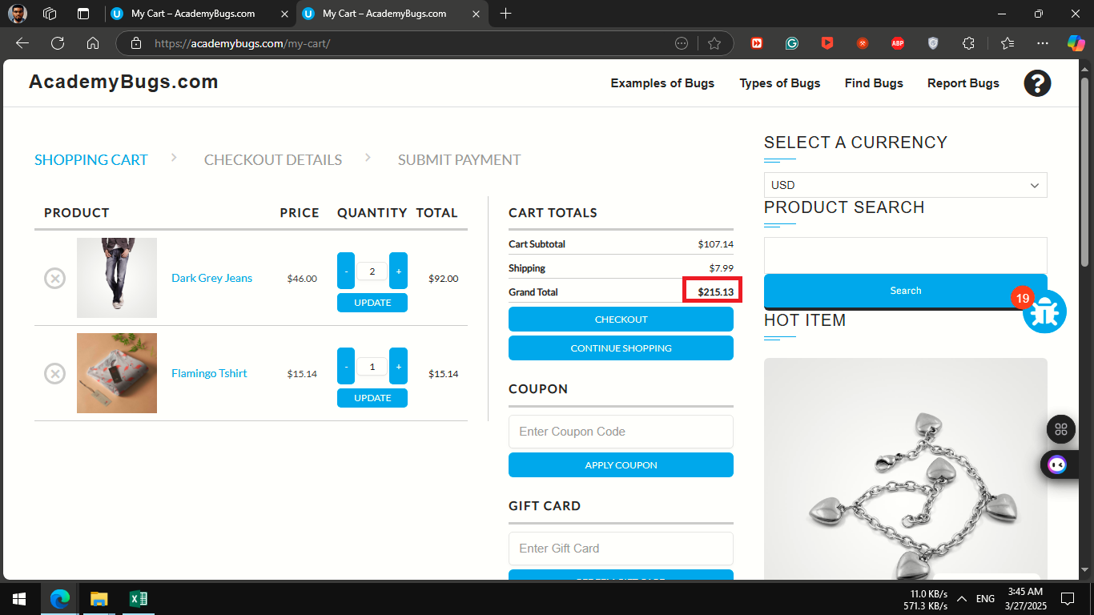
severity | low | severity | critical | severity | critical
Priority | low | Priority | critical | Priority | critical
Frequency | Every Time | Frequency | Every Time | Frequency | Every Time
Type | Content | Type | functional | Type | functional

ID | B_004 | ID | B_005 | ID | B_006
Test Case ID | TC_038 | Test Case ID | TC_040 | Test Case ID | TC_044
Title | Traniee must informed by Grand Total of the cart | Title | Traniee must informed by Grand Total of the cart | Title | Traniee must informed by Grand Total of the cart
Description | The Grand Total always add extra 100$ to the right Total | Description | The Grand Total always add extra 100$ to the right Total | Description | The Grand Total always add extra 100$ to the right Total
Steps | 12 - Go To https://academybugs.com/find-bugs/ 2 - Add Products To Cart 3 - Navigate To View Cart Button And Click on it 4 - Go To Shopping Cart 5 - navigate to Cart Totals and click on Checkout button 6- Navigate To Gift Card and click add unvaild Gift Card | Steps | 1- Go To https://academybugs.com/find-bugs/ 2- Add Products To Cart 3- Navigate To View Cart Button And Click on it 4- Go To Shopping Cart 5- navigate to Cart Totals and click on Checkout button 6 - fill the required fields 7 - click continue to shipping button 8- navigate to Cart Totals | Steps | 1- Go To https://academybugs.com/find-bugs/ 2- Add Products To Cart 3- Navigate To View Cart Button And Click on it 4- Go To Shopping Cart 5- navigate to Cart Totals and click on Checkout button 6 - fill the required fields 7 - click continue to shipping button 8 - choose a Shipping Method and click ' continue to payment ' button' 9- navigate to REVIEW CART TOTALS
Expected Results | The Grand Total will contain the Cart Subtotal of the added products Plus Shipping fees | Expected Results | The Grand Total will contain the Cart Subtotal of the added products Plus Shipping fees | Expected Results | The Grand Total will contain the Cart Subtotal of the added products Plus Shipping fees
Actual Result | The Grand Total always add extra 100$ to the right Total | Actual Result | The Grand Total always add extra 100$ to the right Total | Actual Result | The Grand Total always add extra 100$ to the right Total
Environment | Microsoft Edge V.97 | Environment | Microsoft Edge V.97 | Environment | Microsoft Edge V.97
Attachments | 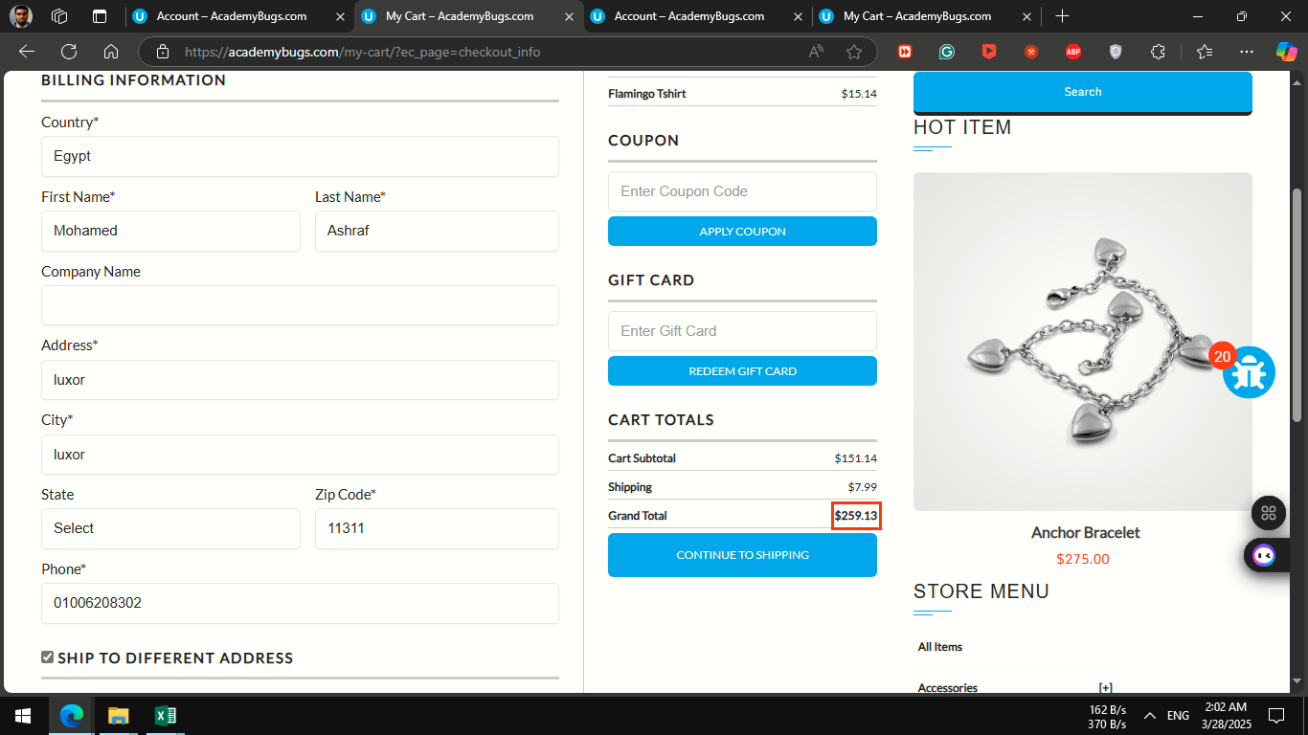 | Attachments | 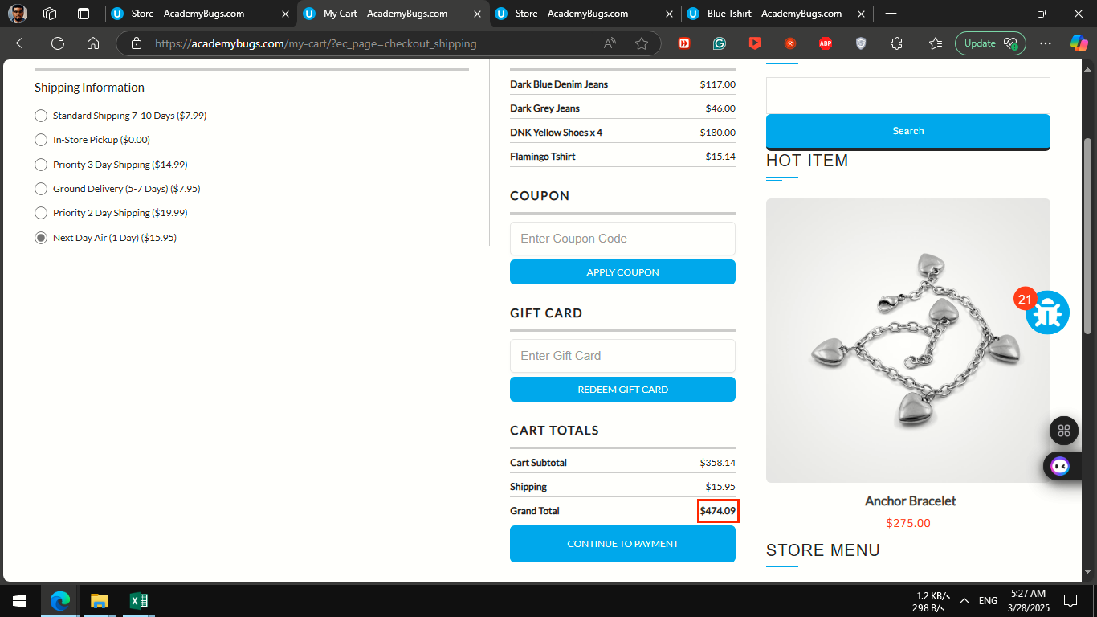 | Attachments | 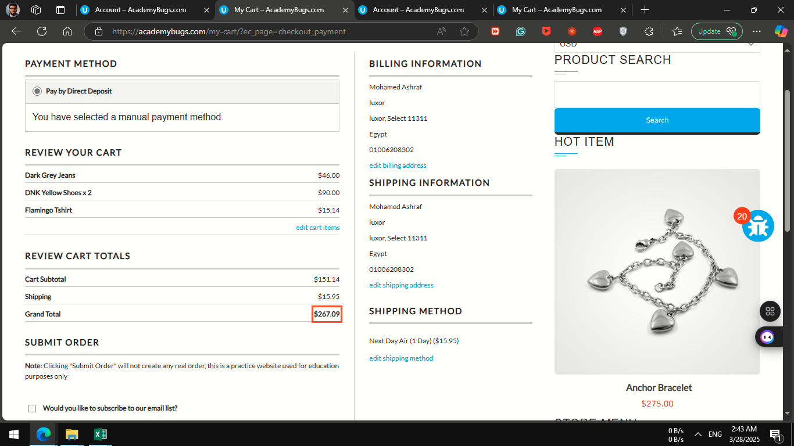
severity | critical | severity | critical | severity | critical
Priority | critical | Priority | critical | Priority | critical
Frequency | Every Time | Frequency | Every Time | Frequency | Every Time
Type | functional | Type | functional | Type | functional

